Self-Employed
For an individual with income from self-employment who files a Sch C:
 | Proceeds of PPP to be used for: | Eligible for forgiveness?
1 | Owner compensation replacement, calculated based on 2019 net profit, capped at 100K | Yes, limited to 8/52 of 2019 net profit
2 | Employee payroll costs for employees whose principal place of residence is in the US, if there are employees | Yes | PR costs = salary, wages, tips up to 100K plus benefits for employees (not owners) incl health care exp, retirement contrib & employer-paid state taxes (i.e., SUI)
3 | Mortgage interest payments on any business mortgage obligations on real or personal property, business rent pmts, business utility pmts. You must have claimed or been entitled to claim these deductions on your 2019 Sch C. | Yes | Examples given in IFR - interest on mortg for warehouse storing business equip, interest on auto loan for a vehicle used to perform your business - rent for warehouse or vehicle used in the business - cost of elec in warehouse you rent or gas you use driving your business vehicle
4 | Interest pmts on any other debt obligations incurred before 2/15/20 | No
5 | Refinancing of an SBA EIDL loan made between 1/31/20-4/3/20 | No

 | PR costs
 | not more than 25% may be used or forgiven for non-payroll costs
 | PPP limited to support ongoing operations, NOT business expansion |  |  |  |  | Annual |  | 8 wk spend
 |  |  |  | Owner | Income | 50,000.00
 |  |  |  |  | 1099 | (20,000.00)
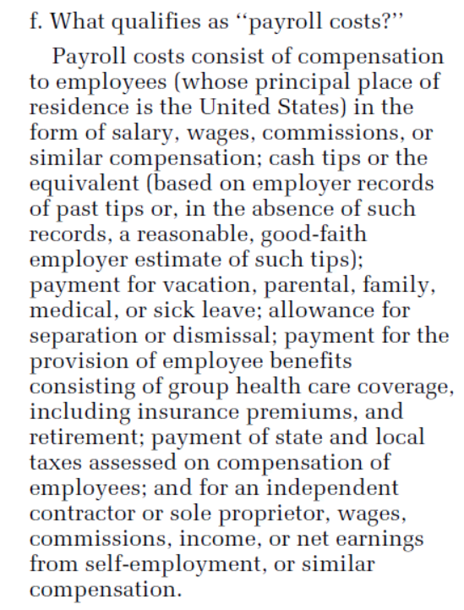
 |  |  |  |  | Rent | (8,000.00) |  | 1,230.77
 |  |  |  |  | Util | (4,000.00) |  | 615.38
 |  |  |  |  | Other | (6,000.00)
 |  |  |  |  | Net Inc | 12,000.00 |  | 1,846.15 | 8/52 net inc replacement | 74%
 |  |  |  |  | Max Loan | 2,500.00 | Total | 3,692.31

 |  |  |  |  |  |  |  | 1,846.15 | PR costs | 74%
 |  |  |  |  |  |  |  | 653.85 | other eligible (non-PR) | 26%
 |  |  |  |  |  |  |  | 2,500.00
 |  |  |  |  |  |  |  | (2,500.00) | forgiven
 |  |  |  |  |  |  |  | - | to be repaid

 |  |  |  |  |  | Annual |  | 8 wk spend
 |  |  |  | Subcontractor | Income | 20,000.00
 |  |  |  |  | no exp
 |  |  |  |  | Net Inc | 20,000.00 |  | 3,076.92 | 8/52 net inc replacement | 74%
 |  |  |  |  | Max Loan | 4,166.67 | Total | 3,076.92

 |  |  |  |  |  |  |  | 3,076.92 | PR costs | 74%
 |  |  |  |  |  |  |  | 1,089.74 | ineligible excess proceeds | 26%
 |  |  |  |  |  |  |  | 4,166.67
 |  |  |  |  |  |  |  | (3,076.92) | forgiven
 |  |  |  |  |  |  |  | 1,089.74 | to be repaid

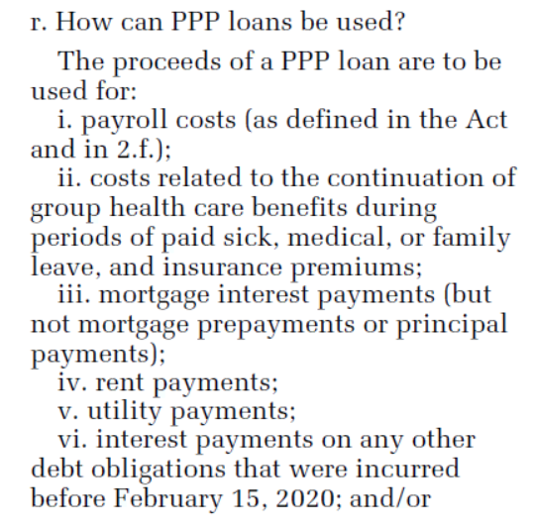

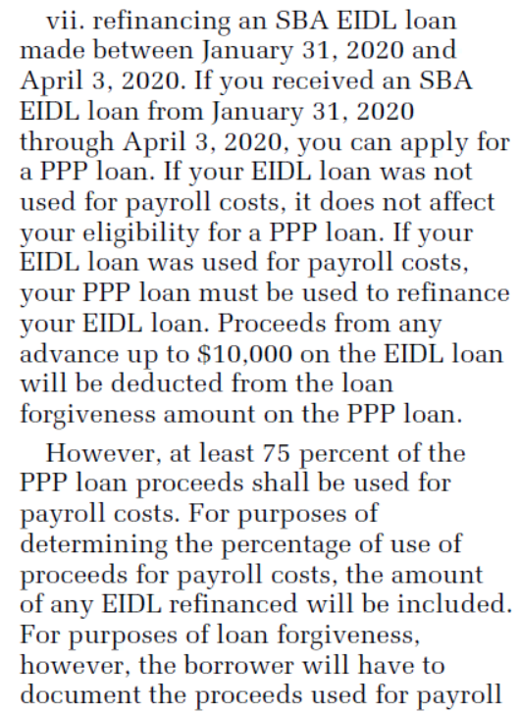

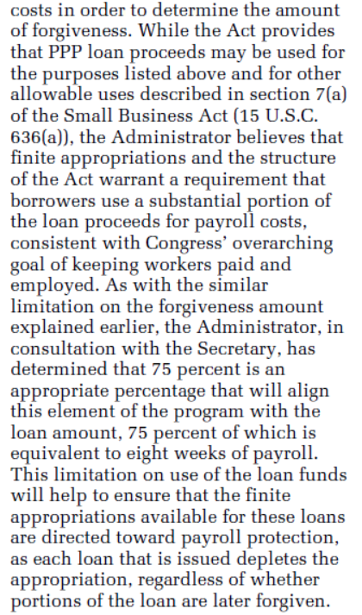

 | IN GENERAL

 | Proceeds of PPP to be used for: | Eligible for forgiveness? | Comment
1a | Payroll costs for employees whose principal place of residence is in the US | Yes | PR costs = salary, wages, commissions, similar compensation, tips up to 100K; pmts for vaca/parental/family/med/sick leave; allowance for dismissal or separation; pmts req'd for group health care benefits incl insur premiums; pmts of any retirement benefit; pmts of state or local taxes assessed on compen (i.e., SUI)
1b | Payroll costs for a sole proprietor or indep contractor = "Owner compensation replacement," calculated based on 2019 net profit, capped at 100K | Yes, limited to 8/52 of 2019 net profit
2 | Costs related to continuation of group health care benefits during periods of paid sick/med/family leave, and insur premiums | Yes | why is this broken out in CARES Act if it's already under PR costs?
3 | Employee salaries, commissions or similar compen | Yes | why is this broken out in CARES Act if it's already under PR costs?
4 | Pmts of interest on any mortgage obligation (NO PREPAYMENT OR PRINC). Obligations must have existed at 2/15/20. | Yes | Examples given in IFR: interest on mortg for warehouse storing business equip, interest on auto loan for a vehicle used in the business
5 | Rent incl rent under a lease agreement in force at 2/15/20 | Yes | Examples given in IFR: rent for warehouse or vehicle used in the business
6 | Utilities if services in place at 2/15/20 | Yes | Examples given in IFR: cost of electricity in the warehouse you rent or gas you use driving your business vehicle. Examples in CARES: elec, gas, water, transportation, phone, internet.
7 | Interest on any other debt obligations incurred before the covered period (2/15/20-6/30/20) | No
8 | Refinancing an SBA EIDL loan made between 1/31/20-4/3/20 | No | Proceeds from any advance up to $10K on the EIDL loan will be deducted from loan forgiveness on PPP loan.

 | PR costs
 | not more than 25% may be used or forgiven for non-payroll costs

